Front_Disability
 |  |  |  |  |  |  |  | Data for Infographic - extracted from data sheet

Select municipality here F
Disability in Greater Dandenong |  |  |  |  |  |  |  | Within Greater Dandenong 1753 residents in single person households have a disability |  |  | Numbers 24 font
 |  |  | 26 |  | From the findings of the 2021 Census |  |  |  |  |  | Text 12 font
 | Prevalence of Disability |  |  |  |  | Lone Persons | 1 | Per cent disabled | 6.8 |  | Charts 9 font
 | 6.8% |  |  | 11,467
 |  |  |  |  |  | Within Greater Dandenong | 2 | Number disabled | 11,467
 |  |  |  |  |  | 1,753
 |  |  |  |  |  |  | 3 | Lone persons with Disability | Number | 1,753
 | of residents in Greater Dandenong |  | residents of Greater Dandenong have a disability |  |  |  |  |  | Per cent women | 68.1
 | have a disability requiring them to |  |  |  |  | people with a disability live alone. |  |  |  | 1194
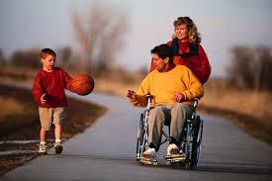
 | obtain daily assistance with personal |  |  |  |  | Among them, 1194, or 68%, are women | 4 | Indigenous people with Disability | Number | 79

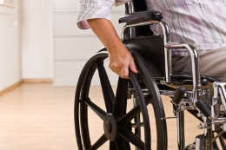
 | care, communication or mobility. |  |  |  |  |  |  |  | Percent | 13.5

 |  |  |  |  |  |  | 5-6 | Per cent disabled by age | 0-14 | 2.5
 |  |  |  |  |  |  |  |  | 20-24 | 2.1
 |  |  |  |  |  |  |  |  | 25-64 | 4.3
 |  |  |  |  |  |  |  |  | 65+ | 29.5

 |  |  |  |  |  |  |  | Among children, intellectual impairment is the most prevalent form of disability. In older age though, physical restriction, sensory and speech impairments are the most widespread forms
 | Indigenous Residents |  | Disability and Age |  |  |  |  | Early school leaving (25-54) | Disabled | 52.6
 | 79 |  | Fewer than 5% of local residents under 65 years are disabled. Among older residents though, this figure rises to 30% |  |  |  |  |  | Not disabled | 23.7
 |  | Aboriginal and Torres Strait Islanders in Greater Dandenong have a disability
 |  |  |  |  |  |  |  |  | Female | Male
 |  |  |  |  |  |  | 7 | Disabled | 52.9 | 52.4
 |  |  |  |  |  |  |  | Not disabled | 23.5 | 23.8
 | This number represents
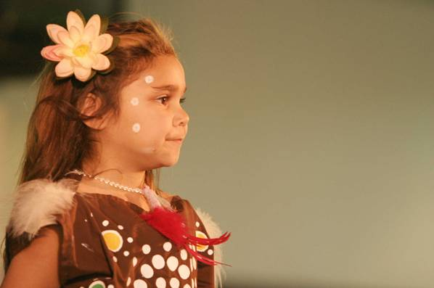
 | 13.5% | of Indigenous residents |  |  |  | National surveys show that intellectual impairment is a prevalent form of disability among children. | 8 | Per cent employed (25-64) | Disabled | 13.3
 |  |  |  |  |  |  |  |  | Not disabled | 72.0

 |  |  |  |  |  |  | 9 | Income (25-64) | Disabled | 332
 |  |  |  |  |  | In older age physical restrictions and sensory impairments become more widespread. |  |  | Not disabled | 758

 |  |  |  |  |  |  | 10-12 | Per cent residents providing care
 |  |  |  |  |  |  |  |  | Persons | 11.2
 | Education |  | Rates of early school leaving among 25-54 year-olds stand at 53% among women, and 52% among men |  |  | Employment |  |  | Males | 9.3
 | 53% | of disabled residents aged 25-54 had left school before completing year 11 |  |  |  |  |  |  | Females | 13.1

 |  |  |  |  |  |  |  | Per cent residents providing care
 |  |  |  |  |  |  |  |  | Persons | 13,542
 | compared with |  |  |  |  |  |  |  | Males | 5,661
 | 24% | of those without disability |  |  |  |  |  |  | Females | 7,881
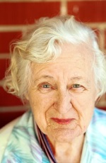

 |  |  |  |  |  | Among 25-64 year-olds, 13% of those with a disability are employed, compared with 72% of others

 | Incomes |  | Carers
 | Weekly incomes among residents aged 25-64 average $332 for those with disability, and $758 for others |  | 11%

 |  |  |  | of residents, including
 |  |  | 13% of females and 9% of males, provide unpaid care to someone with disability or a chronic illness



 |  |  |  |  |  | 7881 females in Greater Dandenong provide care, accounting for 58% of all carers

